S. aureus data
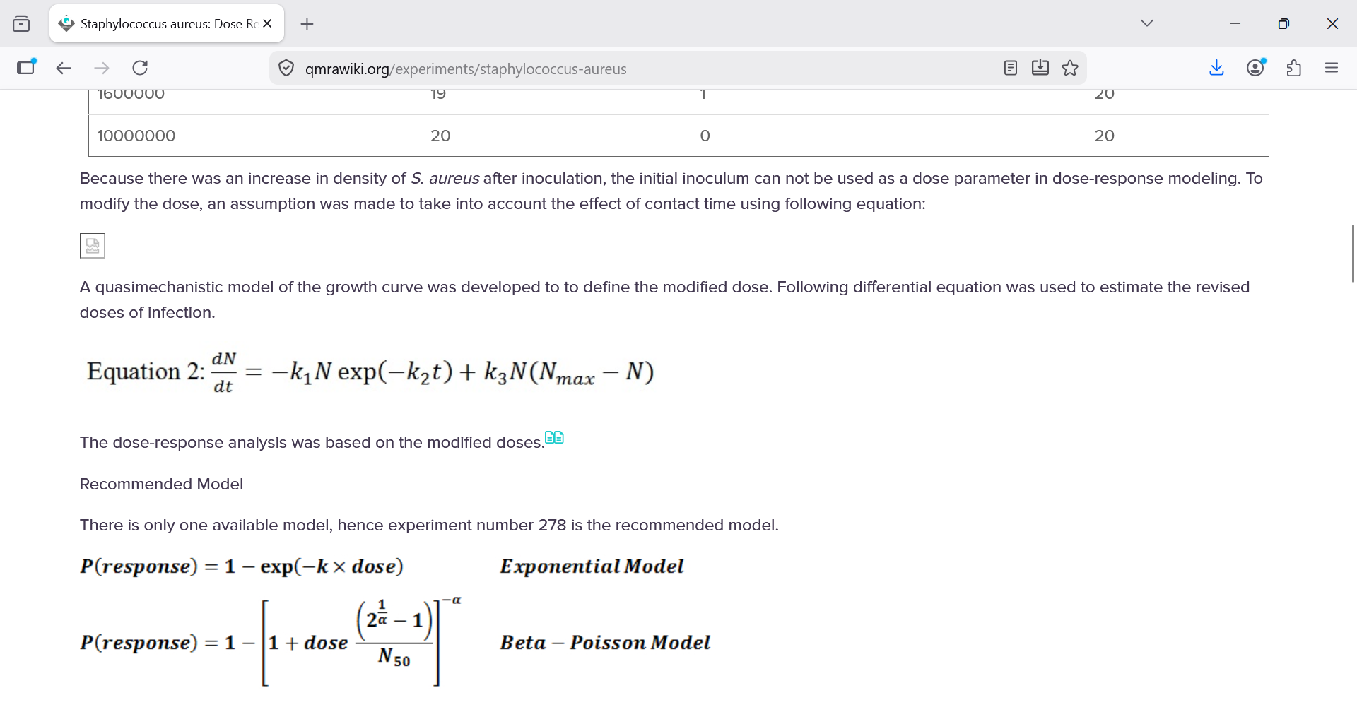
Initial loading data/Staphylococcus aureus
Dose | Infected | Non-infected | Total
40 | 4 | 16 | 20
220 | 8 | 12 | 20
2000 | 13 | 7 | 20
105000 | 14 | 6 | 20
1600000 | 19 | 1 | 20
10000000 | 20 | 0 | 20

